
 |  |  |  | CODE: |  |  | pl1199K ab SN from 00A200
DESCRIPTION: |  | TANK |  | TANK | RESERVOIR | TANQUE | SERBATOIO
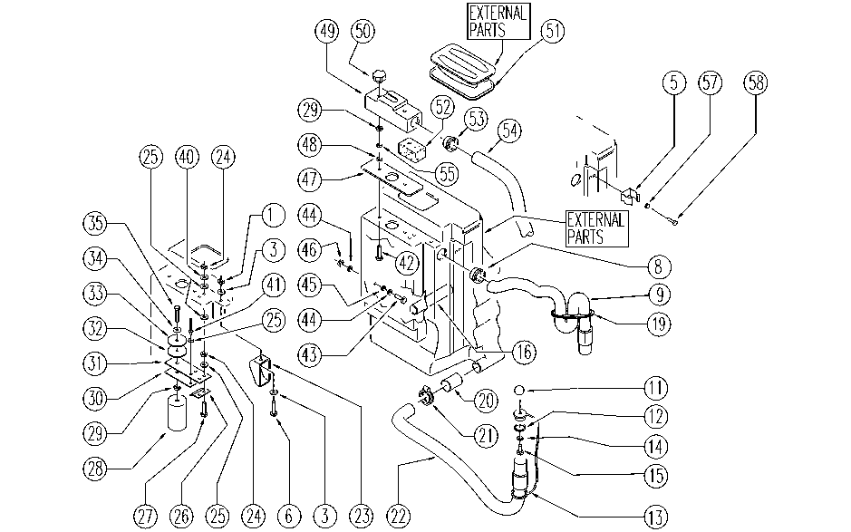

REF. | CODE | DESCRIPTION | QT
1 | E86749 | Nut M5 UNI 5588 | 1
3 | E86750 | Washer D5 UNI 6591 NOXA2 Plane | 2
5 | SL13014 | DUCT LOCK | 1
6 | E86748 | Screw TE M5-16 UNI 5739 INOX A2 | 1
8 | E86474 | AS20 Tank Bushing | 1
9 | SL19113 | HOSE | 1
11 | E86459 | AS20 Knob | 1
12 | E86689 | AS28 Gasket | 1
13 | SL14237 | CAP | 1
14 | E86427 | Washer for AS20 | 3
15 | E86475 | AS20 Screw TE M .6-20 | 1
16 | SL07120 | CROSS | 1
19 | E86759 | Plaque | 1
20 | E86476 | AS20 Membrane Valve - Polyur. | 1
21 | E86480 | Double Wire Clamp | 1
22 | E86523 | Hose Foreman28 | 1
23 | SL17155 | BAFFLE PLATE | 1
24 | E86735 | Nut | 4
25 | E89118 | Washer | 4
26 | E89170 | Bracket | 1
27 | E89169 | Screw | 2
28 | E86417 | Styrofoam Float | 1
29 | E86873 | Nut | 3
30 | SL09364 | PLATE | 1
31 | E89166 | Rubber shim | 1
32 | E89167 | Plug | 1
33 | E89168 | Cap | 1
34 | E86719 | AS20 Washer | 1
35 | E89171 | Screw | 1
40 | E86769 | Washer | 2
41 | SL14006 | RIVET | 2
42 | E86473 | AS20 Screw TE M.6-70 | 2
43 | SL04145 | SCREW | 1
44 | E86878 | Washer | 1
45 | E86718 | AS20 Washer | 2
46 | E86853 | Nyloc Hex Nut, M8 Zinc | 2
47 | E86438 | AS20 Gasket | 1
48 | E86719 | AS20 Washer | 2
49 | E86441 | AS20 Filter Box | 1
50 | SL20006 | KNOB (o HANDWHEEL) | 2
51 | E86446 | AS20 Gasket | 1
52 | E86404 | Tank Filter | 1
53 | E86449 | AS20 Bushing for Vac Motor | 1
54 | E86478 | Hose D34-750mm | 1
55 | E86716 | Cham Washer | 1
57 | E88220 | Washer | 2
58 | SL04213 | SCREW | 2

